Kapazität intern 2025
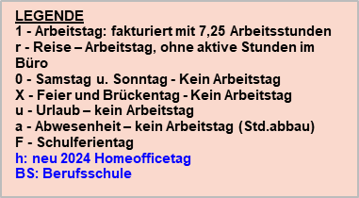
 |  |  |  |  |  | Januar
 | heute |  |  |  |  | 2025-01-01 | 2025-01-02 | 2025-01-03 | 2025-01-04 | 2025-01-05 | 2025-01-06
 |  |  |  |  |  |  |  |  |  |  | KW2
 |  |  |  |  |  | Mi | Do | Fr | Sa | So | Mo
 |  |  |  |  |  | X | X | X
 | Name | Vorname | 1 | Urlaubskonto per 01.01.2025 | Rest per Planung bis 31.12.2025
1 | Arzt | Adelina | O-EM | 30 | 3 | X | X | X | 0 | 0 | 1
2 | Beisenkroll | Johannes | O-EA | 30 | 0 | X | X | X | 0 | 0 | h
3 | Brendel | Falko | O-EM | 37 | 31 | X | X | X | 0 | 0 | 1
4 | Corsten | Lucia | O-EM | 19 | 0 | X | X | X | 0 | 0 | 1
5 | Dreßen | Udo | O-EW | 30 | 6 | X | X | X | 0 | 0 | 1
6 | Duell | Anne | O-EA | 31 | 28 | X | X | X | 0 | 0 | 1
7 | Engl | Frank | O-EM | 10 | 3 | X | X | X | 0 | 0 | 1
8 | Franken | Fabian | O-EM | 33 | 11 | X | X | X | 0 | 0 | 1
...

